QAT Quick Reference
 |  |  | END
Author | fuyong@neusoft.com
Reviewers | zhangzhg@neusoft.com
Date | 2019-05-23

Start

Please refer to the steps in the link below for "Stage application for deployment" to install the deployment ISO image.
https://wiki.openstack.org/wiki/StarlingX/Containers/Installation

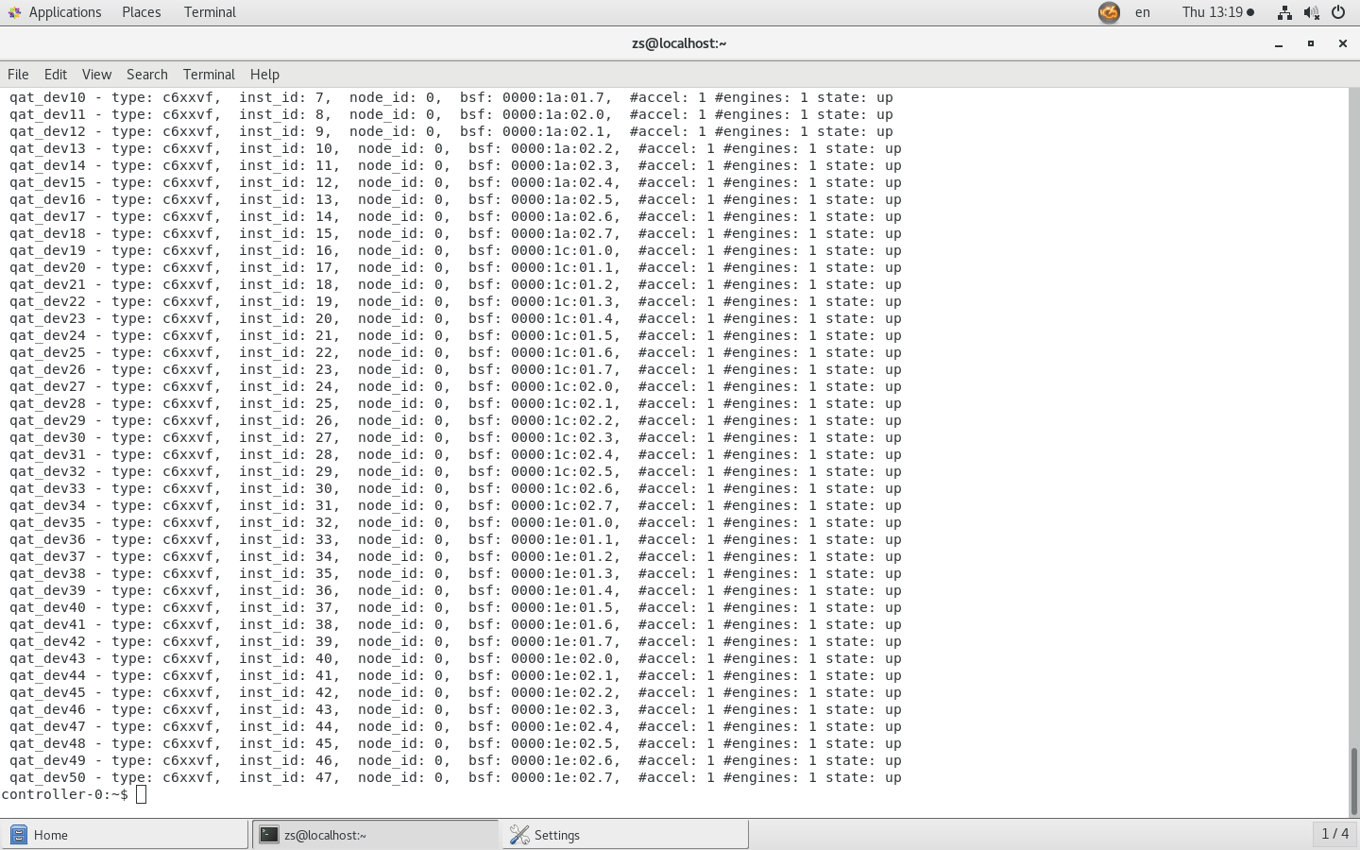

Use the following command to check whether the qat service on the host is working properly.
sudo service qat_service status
If not started, please start the qat service of Host.
sudo service qat_service start

 |  | Result

Please create a yaml file named user_overrides-openstack-nova.yaml.
(please click on me to view the content)
The file content needs to be corrected according to the QAT hardware device information.
(Please note the format of the file content)

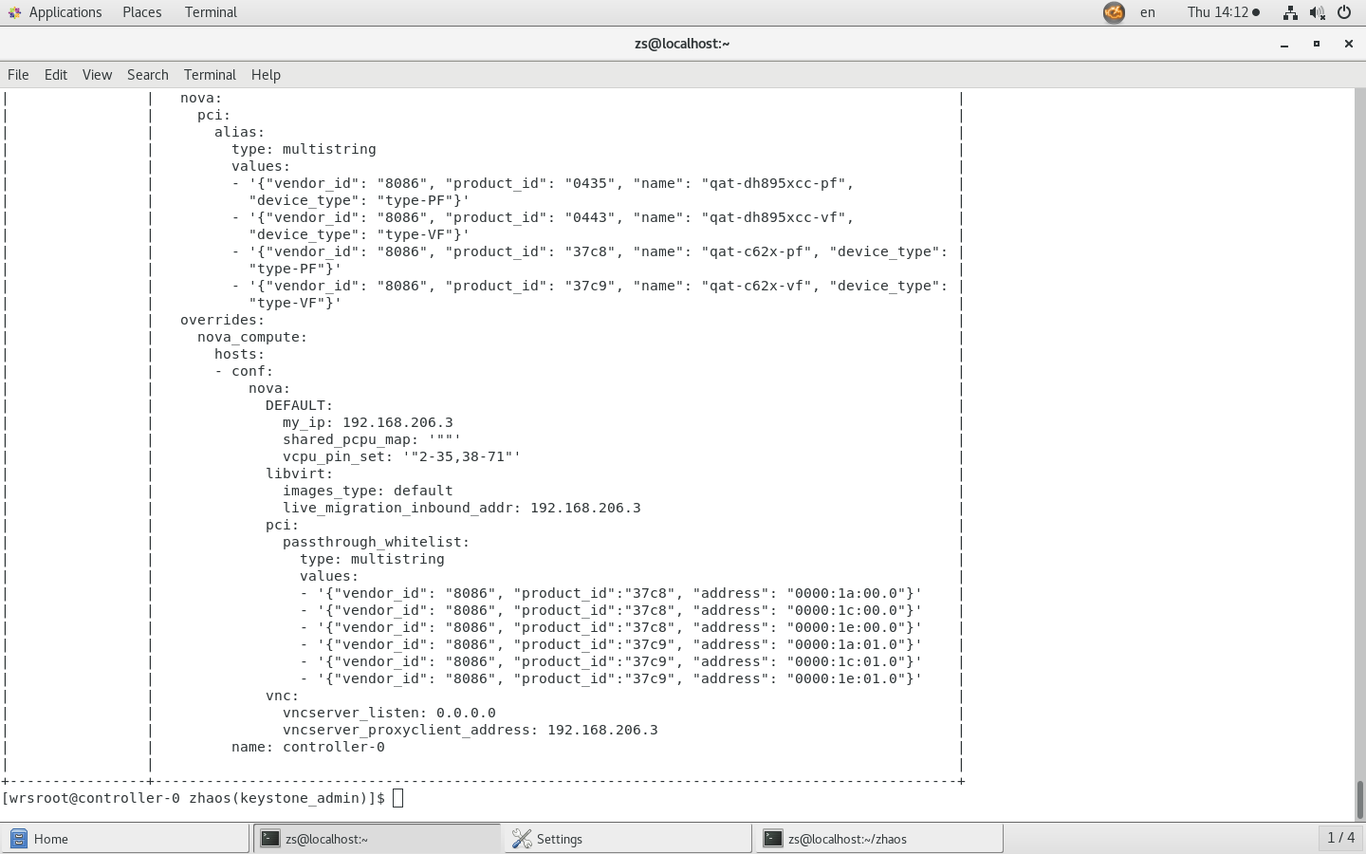

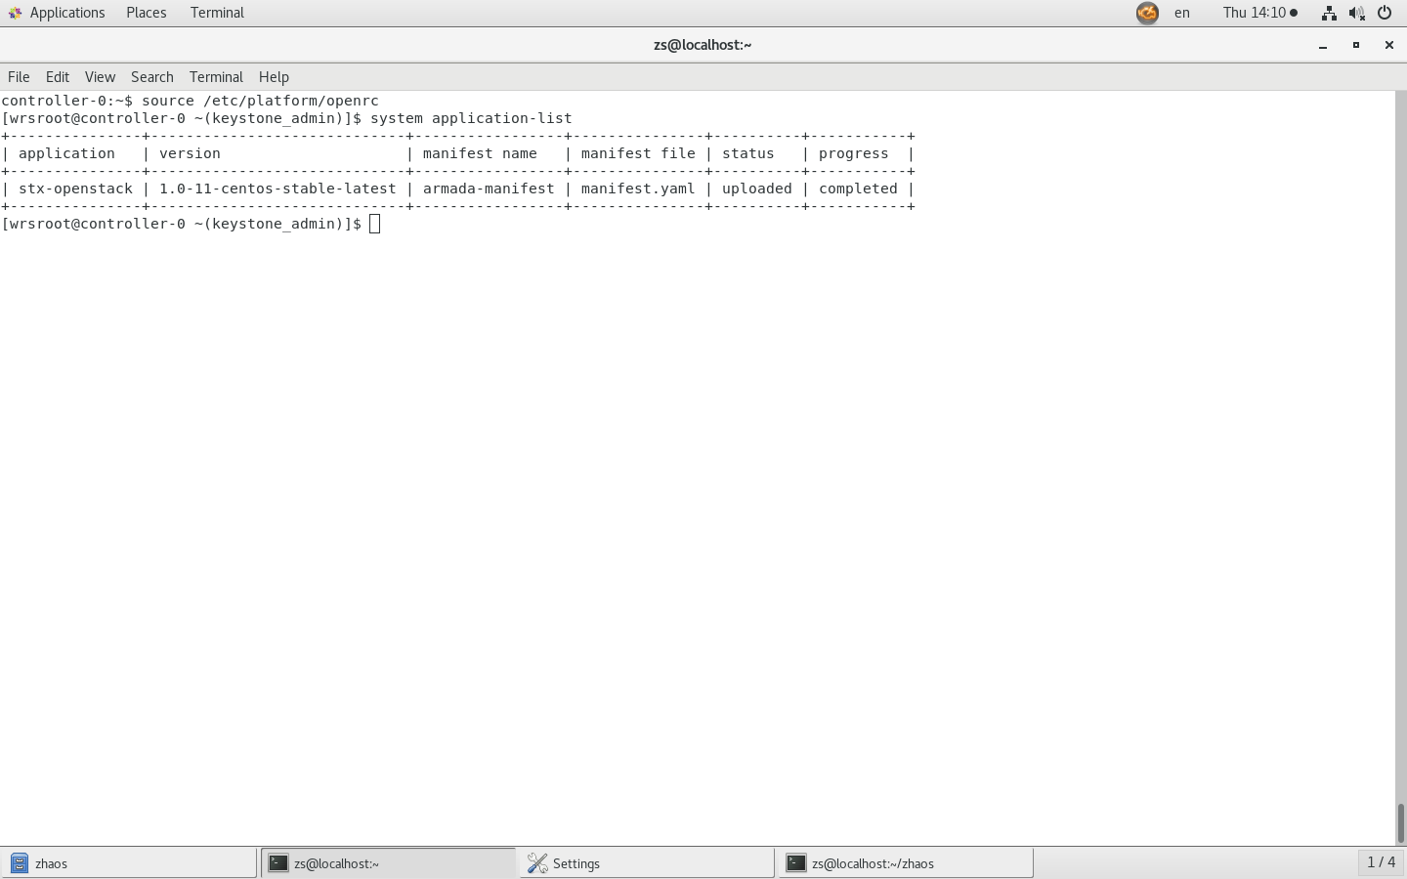
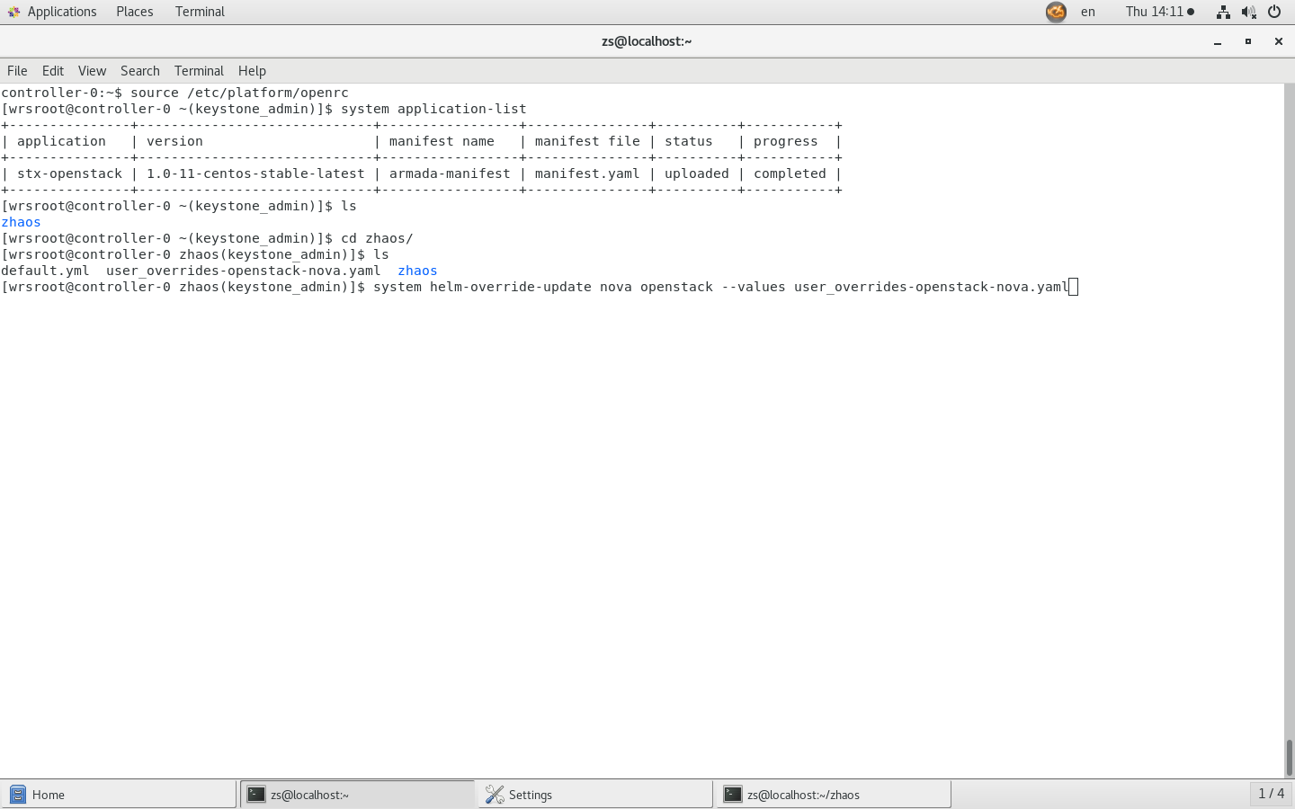

After the helm-chart upload is finished, execute the following two commands in sequence.
1:source /etc/platform/openrc
2:system helm-override-update nova openstack --values user_overrides-openstack-nova.yaml

 |  | Result

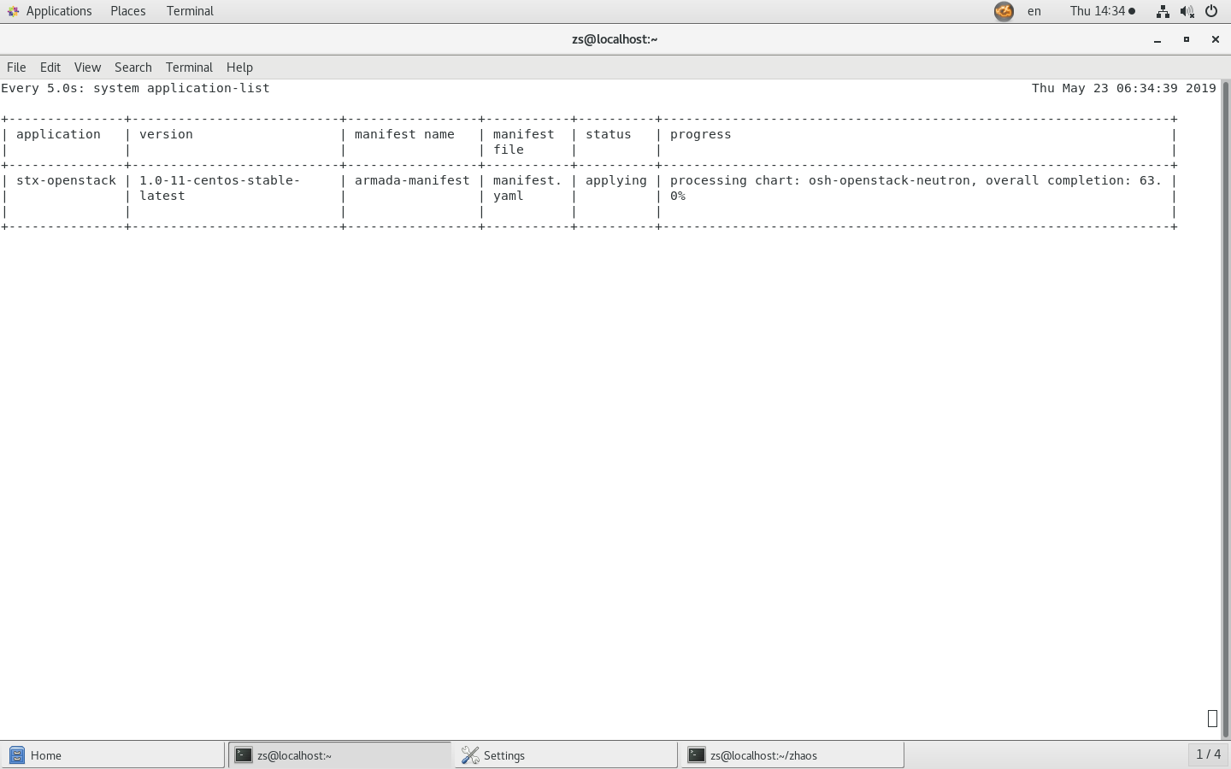
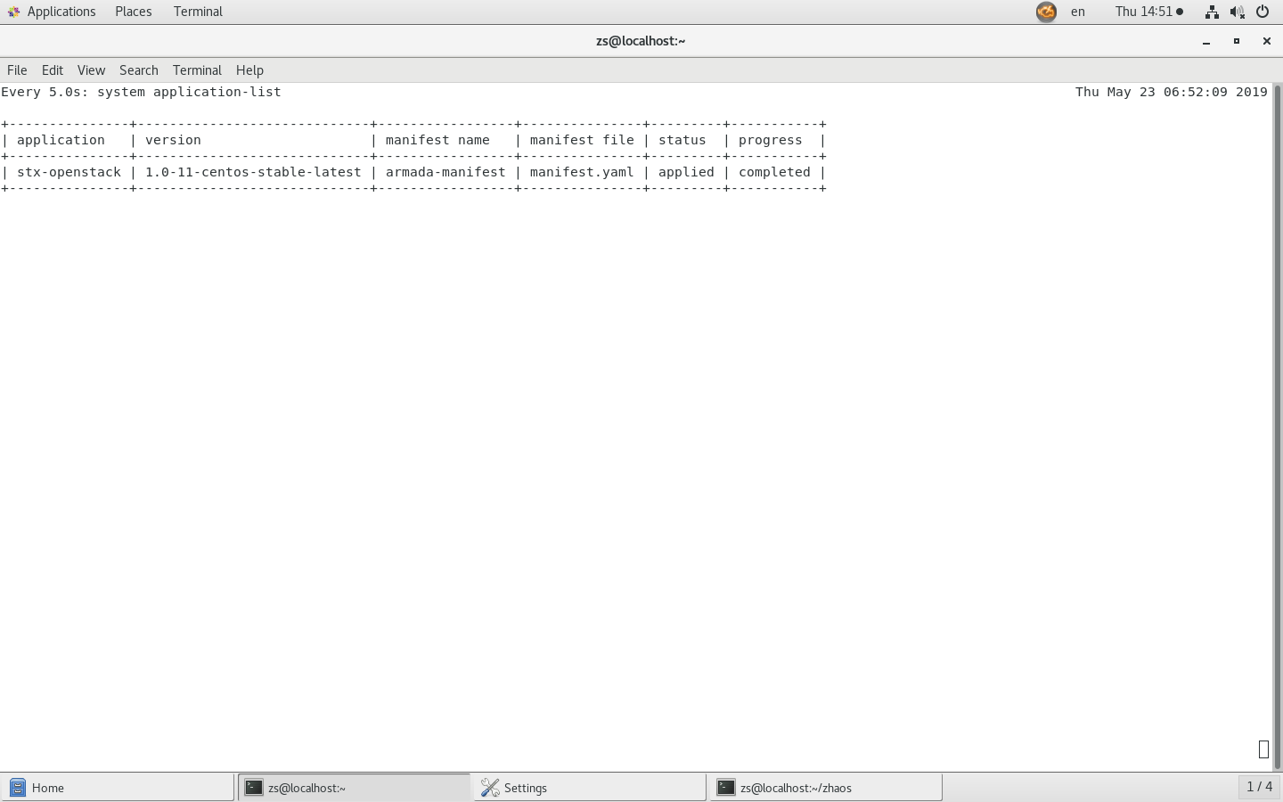

1:system application-apply stx-openstack
2:watch -n 5 system application-list
...
Please continue to complete the deployment

 |  | Result

1:export OS_CLOUD=openstack_helm
2:openstack flavor set m1.small --property "pci_passthrough:alias"="qat-c62x-vf:1"

visit starling admin web site
(URL="Your OAM IP Address":31000)
(username=admin,password="host password")
(1)Upload your image
(2)Create instance
1.Select the target image you just uploaded
2.Flavor select m1.small modified in the previous step
3.Select public net

(1)Download qat source from the following URL：https://01.org/sites/default/files/downloads/qat1.7.l.4.5.0-00034.tar.gz
(2)Decompression
(3)./configure --enable-icp-sriov=guest
make
make sample-all
sudo make install
(4)View drive status：
sudo service qat_service status
(5)Simple verification:
sudo cpa_sample_code runTests=2

yaml
Please follow the order
"sudo service qat_service status"
The data in the bsf column in the display result is modified by itself.
conf: nova: pci: alias: type: multistring values: - '{"vendor_id": "8086", "product_id": "0435", "name": "qat-dh895xcc-pf", "device_type": "type-PF"}' - '{"vendor_id": "8086", "product_id": "0443", "name": "qat-dh895xcc-vf", "device_type": "type-VF"}' - '{"vendor_id": "8086", "product_id": "37c8", "name": "qat-c62x-pf", "device_type": "type-PF"}' - '{"vendor_id": "8086", "product_id": "37c9", "name": "qat-c62x-vf", "device_type": "type-VF"}' overrides: nova_compute: hosts: - conf: nova: DEFAULT: my_ip: 192.168.206.3 shared_pcpu_map: '""' vcpu_pin_set: '"2-35,38-71"' libvirt: images_type: default live_migration_inbound_addr: 192.168.206.3 pci: passthrough_whitelist: type: multistring values: - '{"vendor_id": "8086", "product_id":"37c8", "address": "0000:1a:00.0"}' - '{"vendor_id": "8086", "product_id":"37c8", "address": "0000:1c:00.0"}' - '{"vendor_id": "8086", "product_id":"37c8", "address": "0000:1e:00.0"}' - '{"vendor_id": "8086", "product_id":"37c9", "address": "0000:1a:01.0"}' - '{"vendor_id": "8086", "product_id":"37c9", "address": "0000:1c:01.0"}' - '{"vendor_id": "8086", "product_id":"37c9", "address": "0000:1e:01.0"}' vnc: vncserver_listen: 0.0.0.0 vncserver_proxyclient_address: 192.168.206.3 name: controller-0

